Sheet1
1 | The default layout manager of Frame is _____________ | Answered | BorderLayout
2 | Which method is used to check the status of checkbox | Answered | getState()
3 | When layout manager is disabled , which method is used to determine the shape and position of Component? | Answered | setBounds
4 | To make the group of radio button______________ is used. | Answered | None of these
5 | Which method is method to set the layout of a container? | Answered | setLayout( )
6 | Which class is used to create a pop-up list of items from which the user may choose? | Answered | List
7 | Which class is on the top of the AWT event hierarchy? | Answered | java.awt.Event
8 | getContentPane() method of which class | Answered | JApplet
9 | ___________is the abstract superclass for all component input event classes | Answered | InputEvent
10 | FocusEvent is subclass of which of these calsses ? | Answered | ComponenEvent
11 | If a class extends the ActionListener interface, it must contain a method called __________. | Answered | actionPerformed()
12 | Some of the event listener interfaces are_____________ | Answered | All of these
13 | _______________ class is used to create client in TCP/IP. | Answered | Socket
14 | __________ class is used for accessing the attribute of a remote resource. | Answered | URLConnection Class
15 | The factory method which returns an array of InetAddresses that represent all of the addresses that a particular host name resolves to. | Answered | getAllByName( )
16 | _______________ method s is used to retrieve file name in specified URL. | Answered | getFile()
17 | ResultSet navigation method consist of | Answered | All of the above
18 | Which method is used to retrive the resultset created. | Answered | getResultSet()
19 | prepareStatement method is from which class | Answered | PreparedStatement class
20 | Which of the following methods are needed for loading a database driver in JDBC? | Answered | Both A and B
21 | The _______ method is called when the servlet is first created, and is not called again as long as the servlet is not destroyed. | Answered | init
22 | JSP embeds in ................ in ...................... | Answered | Java into HTML
23 | Servlet is ____________. | Answered | Platform Independent
24 | Which of the following is the deployment descriptor file in servlet | Answered | web.xml
25 | What will be displayed when you run the following code. import java.awt.*; import javax.swing.*; public class Demo2 extends JFrame { Demo2() { JButton b1=new JButton("Hello"); JButton b2=new JButton("Welcome"); add(b1); add(b2); setSize(300,300); setVisible(true); } public static void main(String argv[]) { Demo2 d=new Demo2(); } } | Answered | S1Q28O2.jpeg
26 | What is Purpose of Jtree ? | Answered | A tree is a component that presents a hierarchical view of data
27 | What is the purpose of ScrollPane | Answered | ScrollPane Displays component in a rectangular area
28 | Which of the following commands will set a layout manager that divides the container into 3 Columns & 4 Rows? | Answered | setLayout( new GridLayout(4, 3) )
29 | Which of these interfaces handles the event when a component is added to a container? | Answered | ContainerListener
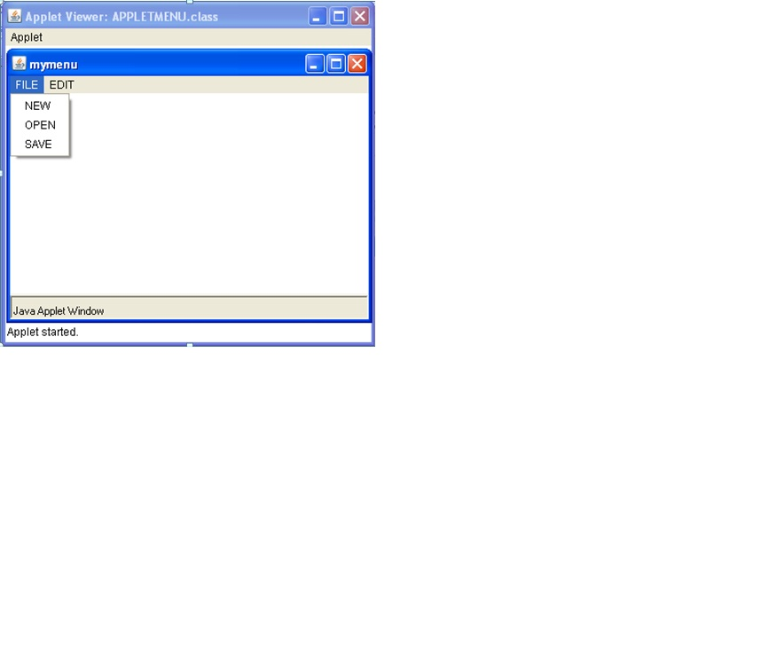
30 | Identify the components in the given output | Answered | Applet,Frame,Menu,MenuItems,MenuBar
31 | 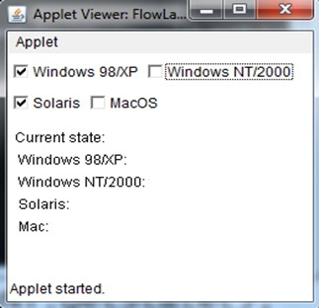 Identify correct sequence of states of following controls | Answered | True,False,True,False
32 | 3.select the proper constructor of DatagramPacket class? | Answered | All of the above
33 | returns the socket and establish a connection between server and client. | Answered | public Socket accept()
34 | Select the method used to create a URL Connection | Answered | openConnection()
35 | Select the proper constructor of serversocket | Answered | ServerSocket()
36 | Given here is simple example of Statement interface to insert, update and delete the record.Write the missing statement import java.sql.*; class FetchRecord{ public static void main(String args[])throws Exception{ Class.forName("oracle.jdbc.driver.OracleDriver"); Connection con=DriverManager.getConnection("jdbc:oracle:thin:@localhost:1521:xe","system","oracle"); --------------------------------------------------------------------------------------- stmt.executeUpdate("insert into emp765 values(33,'Irfan',50000)"); int result=stmt.executeUpdate("update emp765 set name='Vimal',salary=10000 where id=33"); int result=stmt.executeUpdate("delete from emp765 where id=33"); System.out.println(result+" records affected"); con.close(); }} | Answered | Statement stmt=con.createStatement();
37 | This statement Tells the DB to empty transaction log & bring DB back to the state, before the changes in transaction log were executed | Answered | rollback()
38 | What is the query used to display all tables names in SQL Server ? | Answered | select * to tables
39 | What is the limit of the data to be passed from HTML when doGet() is used? | Answered | 2kb
40 | Identify the false statement from the following- | Answered | Cookie is a small amount of information sent by servlet to the web browser, saved by the web browser and later sent back to the server
41 | Disadvantage of CGI : S1] It has lack of scalability and reduced speed. S2] High response time S3] CGI is platform dependent | Answered | S1
42 | import java.awt.*; import javax.swing.*; public class Test { public static void main(String[] args) { JFrame frame = new JFrame("My Frame"); frame.add(new JButton("OK")); frame.add(new JButton("Cancel")); frame.setDefaultCloseOperation(JFrame.EXIT_ON_CLOSE); frame.setSize(200, 200); frame.setVisible(true); } } | Answered | Only button Cancel is displayed.
43 | Where g is a graphics instance what will the following code draw on the screen g.fillArc(45,90,50,50,90,180); | Answered | An arc bounded by a box of height 50, width 50, with a top left at coordinates of 45, 90, starting at 90 degrees and traversing through 180 degrees counter clockwise
44 | Show the output of following code. import javax.swing.*; public class Test { public static void main(String ar[]) { JButton b1=new JButton("OK"); System.out.println(b1.isVisible()+" "); JFrame f1=new JFrame(); System.out.println(f1.isVisible()+" "); } } | Answered | true,false
45 | Debug the following code and find out which statement contains error. import java.awt.*; import java.awt.event.*; public class MenuDemo extends Frame { MenuBar mb; Menu m1,m2; MenuItem i1,i2,i3,i4,i5,i6; MenuDemo(String s) { super(s); mb=new MenuBar(); setMenuBar(); m1=new Menu("File"); m2=new Menu("Edit"); i1=new MenuItem("New"); i2=new MenuItem("Open"); i3=new MenuItem("Exit"); i4=new MenuItem("Cut"); i5=new MenuItem("Copy"); i6=new MenuItem("Paste"); m1.add(i1); m1.add(i2); m1.add(i3); m2.add(i4); m2.add(i5); m2.add(i6); mb.add(m1); mb.add(m2); setSize(500,500); } public static void main(String args[]) { MenuDemo m=new MenuDemo("MenuFrame"); m.setVisible(true); } } | Answered | statement where setMenuBar() method is invoked
46 | Select the missing statement public class A1 extends Applet { Button b1; Label l1; public void init() { setLayout(new FlowLayout()); b1=new Button("Click"); l1=new Label(); add(l1); add(b1); } public void actionPerformed(ActionEvent ae){ if(ae.getSource()==b1) l1.setText("Hello");} } | Answered | b1.addActionListener(this)
47 | For the following code which interface is use. importjava.awt.event.*; import java.awt.*; importjava.applet.*; public class checkbackg extends Applet implements __________________ { Checkbox m1,m2,m3; public void init() { m1=new Checkbox("Windows xp"); m2=new Checkbox("Windows 7"); m3=new Checkbox("Windows vista"); add(m1); add(m2); add(m3); m1.addItemListener(this); m2.addItemListener(this); } public void itemStateChanged(ItemEvent ie) { if(ie.getSource()==m1) setBackground(Color.red); if(ie.getSource()==m2) setBackground(Color.green); } } /*<applet code=checkbackg.class height=150 width=150> </applet>*/ | Answered | ItemListener
48 | Which method should be used to handle event in the given program import java.awt.*; import java.awt.event.*; import java.applet.*; /*<applet code=rgb width=400 height=400></applet>*/ public class rgb extends Applet implements ActionListener { Button r=new Button("Red"); Button g=new Button("Green"); Button b=new Button("Blue"); public void init() { add(r);add(g);add(b); r.addActionListener(this); g.addActionListener(this); b.addActionListener(this); } public void _______________(ActionEvent e) { if(e.getSource()==r) setBackground(Color.red); if(e.getSource()==g) setBackground(Color.green); if(e.getSource()==b) setBackground(Color.blue); } } | Answered | actionPerformed(ActionEvent e)
49 | Identify the listener which is needed to be implemented and registered for executing the below program. /*<applet code="MyKey1" width=300 height=300></applet>*/ import java.applet.*; import java.awt.*; import java.awt.event.*; public class MyKey1 extends Applet implements _________________ { String msg; public void init() { add_____________(this); msg=" "; requestFocus(); } public void keyTyped(KeyEvent ke) { msg="Key Typed"; repaint(); } public void keyPressed(KeyEvent ke) { msg="Key Pressed"; repaint(); } public void keyReleased(KeyEvent ke) { msg="Key Released"; repaint(); } public void paint(Graphics g) { g.drawString(msg,20,30); } } | Answered | KeyListener
50 | Find out the missing statement shown by _______________in the following code import java.awt.event.*; import java.applet.*; public class AnnoymousDemoQ extends Applet { public void init() { ________________________________________ { public void mouseClicked(MouseEvent m) { showStatus("MOUSE CLICKED"); } }); } } /*<applet code=AnnoymousDemoQ.class width=500 height=500></applet>*/ | Answered | addMouseListener(new MouseAdapter())
51 | What is longform of URL? | Answered | Uniform Resource Locator
52 | what is the out of following code if Host URL was last modified on july 18 tuesday 2013 . mport java.net.*; class networking { public static void main(String[] args) throws Exception { URL obj = new URL("http://www.sanfoundry.com/javamcq"); URLConnection obj1 = obj.openConnection(); System.out.print(obj1.getLastModified); } } | Answered | july
53 | What will the following statement display? select Student.* from Student, Course, Enrollment where Student.ssn = Enrollment.ssn and Enrollment.courseId and Course.title = 'Java Programming' and Student.lastName like 'S%'; | Answered | The statement displays all students taking the Java Programming course with letter S in the last name.
54 | Consider the following program. What should be the correction done in the program to get correct output? import java.sql.*; public class JdbcDemo { public static void main (String args[]) throws Exception { try { Class.forName("sun.jdbc.odbc.JdbcOdbcDriver"); Connection con=DriverManager.getConnection("jdbc:odbc:mydsn"); PreparedStatement ps=con.PrepareStatement("insert into employee values(200,'amol')"); int i=ps.executeUpdate(); if(i==1) System.out.println("row inserted"); else System.out.println("operation failed"); ps.close(); con.close(); } catch(Exception e) {} } } | Answered | PreparedStatement ps=con.prepareStatement("insert into employee values(?,?)"); int i=ps.executeUpdate();
55 | class Ddemo1 { public static void main(String args[]) throws Exception { Class.forName("sun.jdbc.odbc.JdbcOdbcDriver"); Connection c=DriverManager.getConnection("jdbc:odbc:ODSN"," "," "); Statement s=c.createStatement(); ResultSet rs=s.executeQuery("select *from StudTable"); System .out.println("Name" + " \t " + "Roll_No" + " \t " + "Avg"); while(rs.next()) 26 { System.out.println(rs.getString(1)+" \t "+rs.getInt(2)+" \t \t"+rs.getDouble(3)); } s.close(); c.close(); } class Ddemo1 { public static void main(String args[]) throws Exception { Class.forName("sun.jdbc.odbc.JdbcOdbcDriver"); Connection c=DriverManager.getConnection("jdbc:odbc:ODSN"," "," "); Statement s=c.createStatement(); ResultSet rs=s.executeQuery("select *from StudTable"); System .out.println("Name" + " \t " + "Roll_No" + " \t " + "Avg"); while(rs.next()) { System.out.println(rs.getString(1)+" \t "+rs.getInt(2)+" \t \t"+rs.getDouble(3)); } s.close(); c.close(); } | Answered | Missing package statement.
56 | Write a comment on following method Statement state = con.createStatement(); | Answered | creates statement object and returns it as the return value.
57 | What will happen if resultSet() is not present in JDBC? | Answered | None of the above
58 | Consider following code.Fill _____________statement in following code from option given below import java.io.*; import javax.servlet.*; import javax.servlet.http.*; public class CookieExample extends HttpServlet { public void doGet(HttpServletRequest request, HttpServletResponse response) throws IOException, ServletException { response.setContentType("text/html"); PrintWriter out = response.getWriter(); Cookie[] cookies = request.getCookies(); for (int i = 0; i < cookies.length; i++) { Cookie c = cookies[i]; String name = c.getName(); String value = c.getValue(); out.println(name + " = " + value); } String name = ______________________ if (name != null && name.length() > 0) { String value = request.getParameter("cookieValue"); Cookie c = new Cookie(name, value); response.addCookie(c); } } } | Answered | request.getParameter("cookieName");
59 | In following Java program fill statement showing *** . Select any one option from given options import java.io.*; import java.util.*; import javax.servlet.*; import javax.servlet.http.*; public class DateServlet extends HttpServlet{ public void doGet(HttpServletRequest request, HttpServletResponse response) throws ServletException, IOException{ HttpSession hs = ***************** response.setContentType(“text/html”); PrintWriter pw=response.getWriter(); pw.print(“<B>”); Date date= (Date)hs.getAttribute(“date”); if(date!=null){ pw.print(“Last access:”+date+”<br>”); } date =new Date(); hs.setAttribute(“date”, date); pw.println(“Current date:”+date); } } | Answered | request.getSession(true);
60 | In following Java program fill statement showing ***.Select any one option fro given options import java.io.*; importjavax.servlet.*; importjavax.servlet.http.*; public class p172 extends HttpServlet{ public void doPost(HttpServletRequestrequest,HttpServletResponse response) throwsServletException,IOException { PrintWriter z; z=new PrintWriter(response.getOutputStream()); String x=request.getParameter("data"); String y=request.getParameter("data"); String a=request.getParameter("data"); String b=request.getParameter("data"); Cookie c=new Cookie("MyCookie",x); response.addCookie(c); ******* z.println("<b>mycookie has been set to"); z.println(x); z.close(); } } | Answered | response.setContentType("text/html");
61 | following servlet read parameters passed through the html page. Write the correct HTML code for given servlet. Import jba. Io.*; import java.util.&; import javax.servlet.*; public class Example2servlet extends Generic servlet { public viod serice request reg, ServletResponse res) throws ServletException, IOException { PrintWriter pw = res.getWriter(); Enumeration E= reg.get PaarameterNames(); while ( e. has More Elecment()) { strignpaname =(string)e.nextElecment(); pw.printin(pname+=""); String pvalue = req.getParameter(pname); pw . printIn (pvalue); } pw. close(); } } <html> <head> <title><title> <meta htt-equiv="Content-type" content ="text/html; charset= UTF-8"> </head> <body> <form name = "forml" method ="post" action = http://localhost:8080/WebApplication1/Example2Servlet> <table> _____________________________________ ___________________________________ ______________________________</table> <input type = "subit" value = "submit" > </body> </html> | Answered | d.<tr> <td> phone : </td> <td><input type = textbox name =phone' size "25" value = "" ></td> </tr>
62 | 1. Choose missing packages in following code from given options. public class session1 extends HttpServlet { public void doGet(HttpServletRequest request, HttpServletResponse response) throwsServletException, IOException { HttpSession hs = request.getSession(true); response.setContentType("text/html"); PrintWriter pw = response.getWriter(); pw.print("<B>"); Date date = (Date)hs.getAttribute("date"); if(date != null) { pw.print("Last access: " + date + "<br>"); } date = new Date(); hs.setAttribute("date", date); pw.println("Current date: " + date); } } | Answered | import java.io.*; import java.util.*; import javax.servlet.*; import javax.servlet.http.*;

